Class
O:\GISData\111_PWSThemes\112_Herring\Aerial_Survey\Spawn\1973_to_2014_Combined_MOST_CURRENT\[ADF&G_All_Years_attribute_descriptions.xlsx]Class

Spawn Class descriptions

CLASS | Description | Example photo
Active Light | Fish actively spawning, but little milt in the water and very light coloring. Usually some marine mammals (sea lions, harbor seals, or harbor porpoises) or sea birds associated with the spawn. | 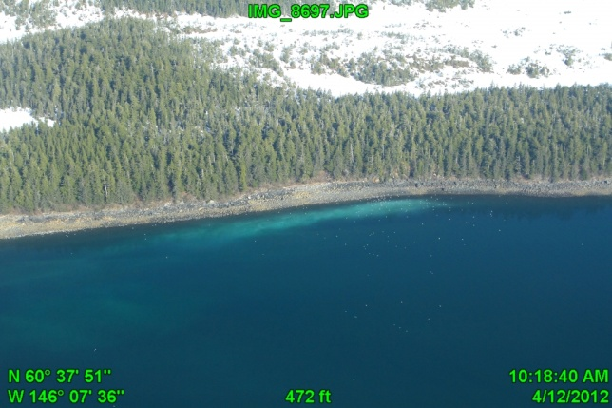
Active Medium | Fish actively spawning and moderate amounts of milt in the water and much lighter coloring. Almost always some marine mammals (sea lions, harbor seals, or harbor porpoises) or larger groups of sea birds associated with the spawn. | 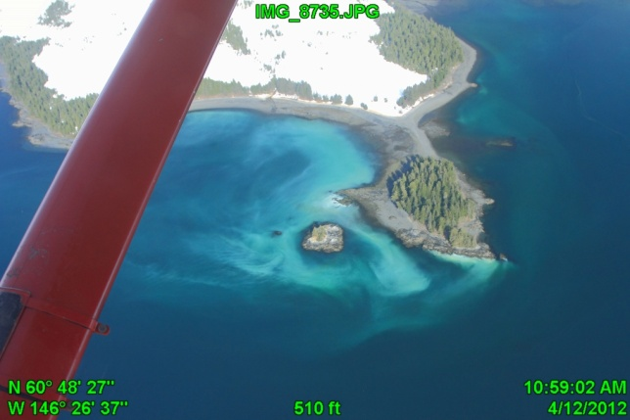
Active Heavy | Fish actively spawning, and large amounts of milt in the water. The color is usually bright white to blue green. Almost always larger groups of marine mammals (sea lions, harbor seals, or harbor porpoises) or sea birds associated with the spawn. | 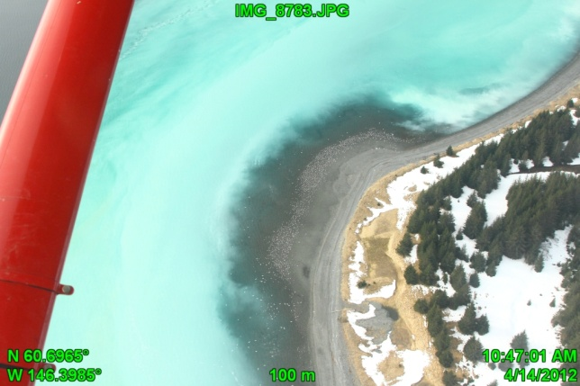
Dissipating | Milt that is likely from the previous day. Very dispersed with few marine mammals. May still be many sea birds on the beach eating eggs. Generally not included in our summary of mile-days of spawn unless we did not document the active spawn previously. | 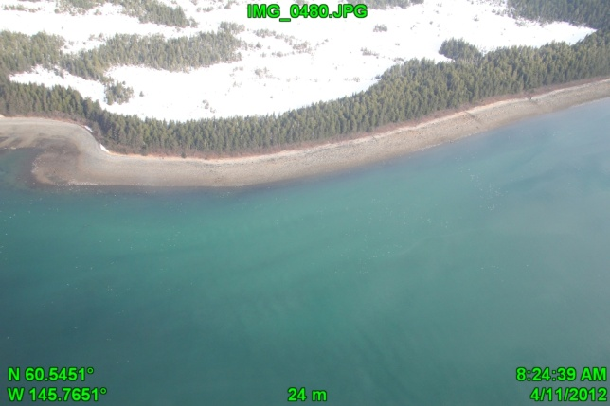
Drift | Areas of milt that have drifted with the current offshore or away from the areas of active spawn. For example, tides or currents regularly cause milt to drift offshore for up to a mile or more off points. Drift is not summed with active spawn for calculating the total extent of spawn. | 